Information
 | Source (i) = | Section, Rating
 | Destination (j) = | Modules (BS101,FIN 300, one industry-based module, and any two finance optional modules.)

 | Mon | Tue | Wed | Thu | Fri
 | 1.25 - 2.20 (M1) | 1.25 - 3.15 (T1) | 1.25 - 3.15 (W1) | 1.25 - 2.20 (Th1)
 | 1.25 - 3.15 (M2) |  | 1.25 - 2.20 (W2) | 2.20 - 5.15 (Th2)
 | 6 - 8.45 (M3) | 6 - 8.45 (T2) | 2.30 - 5.15 (W3) | 6 - 8:45 (Th3) | 6 - 8.45 (F1)
 |  |  | 6 - 8.45 (W4)

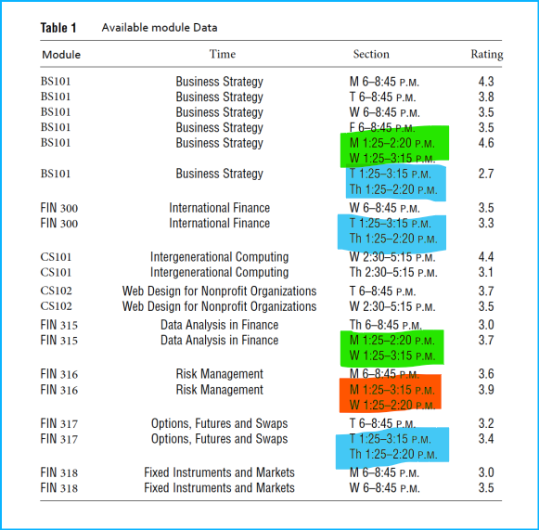
 | Module | Section | Rating
1 | BS101 | M3 | 4.3 | R1
2 | BS101 | T2 | 3.8 | R2
3 | BS101 | W4 | 3.5 | R3
4 | BS101 | F1 | 3.5 | R4
5 | BS101 | M1 | 4.6 | R5
6 |  | W1 | 4.6 | R5
7 | BS101 | T1 | 2.7 | R6
8 |  | Th1 | 2.7 | R6

9 | FIN300 | W4 | 3.5 | R7
10 | FIN300 | T1 | 3.3 | R8
11 |  | Th1 | 3.3 | R8

12 | CS101 | W3 | 4.4 | R9
13 | CS101 | Th2 | 3.1 | R10

14 | CS102 | T2 | 3.7 | R11
15 | CS102 | W3 | 3.5 | R12

16 | FIN315 | Th3 | 3 | R13
17 | FIN315 | M1 | 3.7 | R14
18 |  | W1 | 3.7 | R14

19 | FIN 316 | M3 | 3.6 | R15
20 | FIN 316 | M2 | 3.9 | R16
21 |  | W2 | 3.9 | R16

22 | FIN 317 | T2 | 3.2 | R17
23 | FIN 317 | T1 | 3.4 | R18
24 |  | Th1 | 3.4 | R18

25 | FIN 318 | M3 | 3.0 | R19
26 | FIN 318 | W4 | 3.5 | R20

xij = 1 (if module is selected)
xij = 0 (if not)

Objective Function
Maximize:
 | Z = ∑i ∑ j (Rij xij )
 | Z = R1xBS101,1 + R2xBS101,2+R3xBS101,3+R4xBS101,4+R5xBS101,5+R6xBS101,7 + R7xFIN300,9 + R8xFIN300,10 + R9xCS101,12+R10xCS101,13 + R11xCS102,14 + R12xCS102,15 + R13xFIN315,16 + R14xFIN315,17 + R15xFIN316,19 + R16xFIN316,20 + R17xFIN317,22 + R18xFIN317,23 + R19xFIN318,25 + R20xFIN318,26

Constrains:
 | ∑i xBS101,i = 1 | (selection of business module)
 | ∑i xFIN300,i = 1 | (selection of finance module)
 | ∑i xCS101,i + ∑i xCS102,i = 1 |  | (selection of industrial module)
 | ∑i xFIN315,I ++ ∑i xFIN316,i + ∑i xFIN317,i + ∑i xFIN318,i = 2 |  |  | (selection of finance optional module)
 | ∑i xCS101,i <= 1
 | ∑i xCS102,i <= 1
 | ∑i xFN315,i <= 1
 | ∑i xFN316,i <= 1
 | ∑i xFN317,i <= 1
 | ∑i xFN318,i <= 1
 | xBS101,5 = xBS101,6
 | xBS101,7 = xBS101,8
 | xFIN300,10 = xFIN300,11 | (schedule sections that meet 2 days a week)
 | xFIN315,17 = xFIN315,18
 | xFIN316,20 = xFIN316,21
 | xFIN317,23 = xFIN317,24
 | ∑i xBS101,6 + ∑i xFIN315,18 + ∑i xCS101,12 + ∑i xCS102,15 <= 1 |  |  | (selection of schedules without clashing for Wednesday)
 | ∑i xBS101,6 + ∑i xFIN315,18 + ∑i xFIN316,20 <= 1

